Analysis through Python
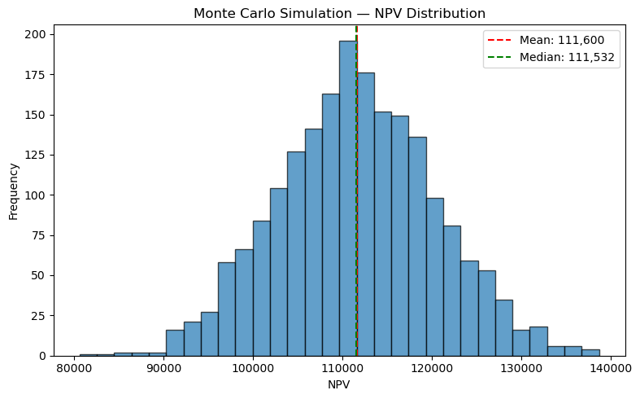
 |  | Key: All Yellow cells contain python code

Simple formula 1+1
 | 2

Read a range like dynamic array

Fast data cleaning |  |  |  | Showing only first 10 rows
 |  | Date | Product | Region | Units Sold | Unit Price | Revenue
 | - | 2025-03-16 | Widget C | West | 31 | 74 | 2,289
 | 5 | 2025-03-17 | Widget C | South | 16 | 105 | 1,674
 | 6 | 2025-03-18 | Widget D | West | 24 | 117 | 2,797
 | 7 | 2025-03-19 | Widget D | South | 17 | 26 | 444
 | 8 | 2025-03-20 | Widget D | South | 21 | 38 | 808
 | 9 | 2025-03-21 | Widget C | East | 15 | 47 | 707
 | 10 | 2025-03-22 | Widget B | South | 25 | 64 | 1,604
 | 11 | 2025-03-23 | Widget D | North | 16 | 114 | 1,826
 | 12 | 2025-03-24 | Widget D | South | 25 | 16 | 406
 | 13 | 2025-03-25 | Widget D | West | 20 | 62 | 1,239

Aggregation / pivot (groupby)
 |  | Region | Revenue
 | 3 | West | 79,339
 | 2 | South | 79,294
 | - | East | 62,275
 | 1 | North | 51,384

Quick chart (seaborn / matplotlib)
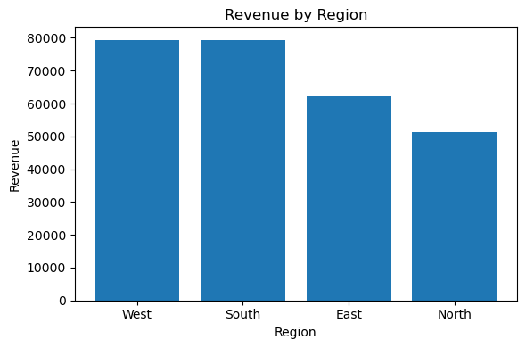

Forecasting (simple time series)
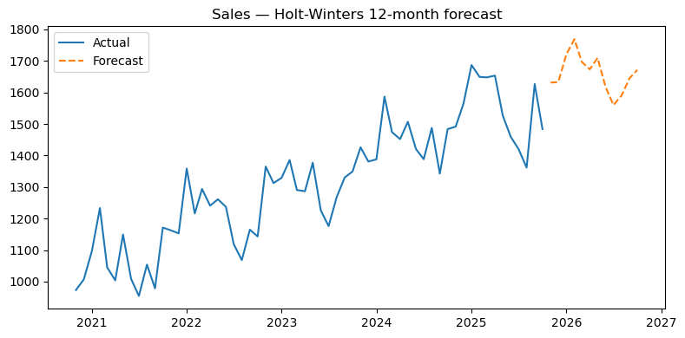

Monte Carlo NPV Simulations
 | count | 2,000 | number of simulation trials
 | mean | 111,600 | the average NPV across all 2,000 simulations.
 | std | 8,834 | the standard deviation (spread) of NPVs, showing how variable outcomes are.
 | min | 80,645 | the worst-case NPV observed in simulations.
 | 25% | 105,613 | the 25th percentile (one quarter of simulations had NPV ≤ 105,924).
 | 50% | 111,532 | the median NPV (half simulations were above, half below).
 | 75% | 117,539 | the 75th percentile (only 25% of simulations had higher NPV).
 | max | 138,662 | the best-case NPV observed.

 | Above results plotted as Table

